Bug1
Bug report ID | Bug1
Summary | All text in sections "RED VOŽNJE" and "Napomene uz red voznje" are not written without spelling and grammatical errors in latin alphabeth
Description: | When user go to URL https://www.srbvoz.rs/red-voznje/ and choose cyrillic alphabeth in top right corner, sections "RED VOŽNJE" and "Napomene uz red vožnje" are not written in cyrillic alphabeth.

Preconditions: | Open Chrome version 90.0.4430.93 (Official Build) (64-bit)
 | Go to the following URL "https://www.srbvoz.rs/red-voznje/"

Repro Steps | Steps
1 | Check if cyrillic alphabeth is chosen in options in top right corner
2 | Check if all text related with "RED VOŽNJE" is written without spelling and grammatical errors in cyrillic alphabeth

Actual Result: | Sections "RED VOŽNJE" and "Napomene uz red vožnje" are not written in cyrillic alphabeth at all

Expected Result: | Sections "RED VOŽNJE" and "Napomene uz red vožnje" should be written in cyrillic alphabeth without spelling and grammatical errors

Test Case ID: | TC1

Screenshot: | 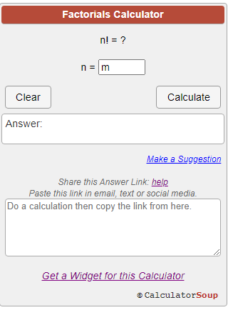 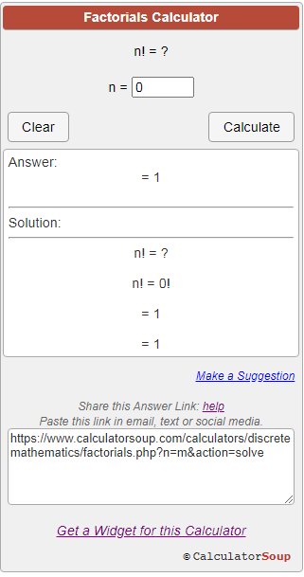 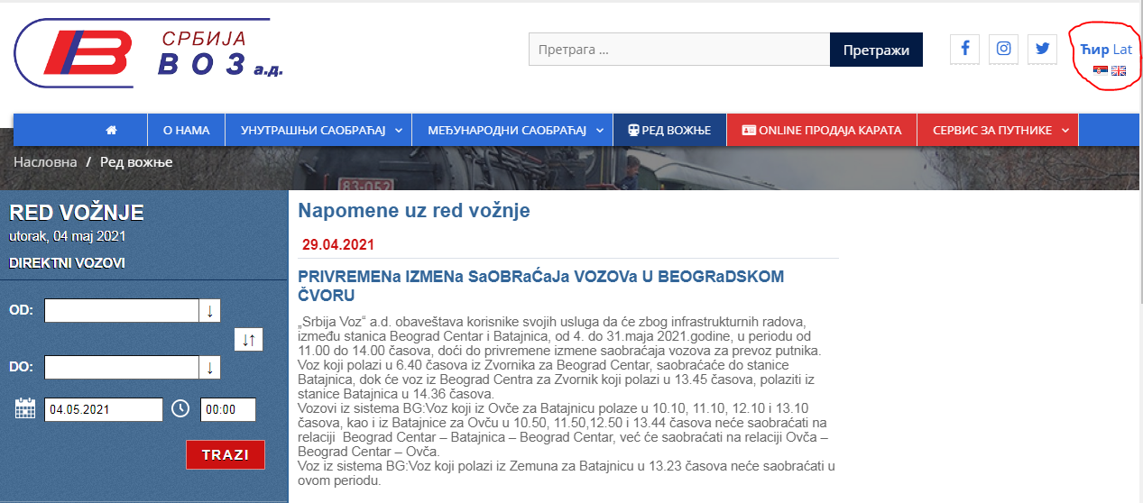

Reporter: | Dragan Batinic

Priority: | Medium

Severity: | Medium

Bug2
Bug report ID | Bug2
Summary | All text in sections "RED VOŽNJE" and "Napomene uz red voznje" are not written without spelling and grammatical errors in latin alphabeth
Description | When user go to URL https://www.srbvoz.rs/red-voznje/ and choose latin alphabeth in top right corner, sections "RED VOŽNJE" and "Napomene uz red vožnje" are written in latin alphabeth, but with many errors. Button "TRAZI" should be spelled "TRAŽI". There are many spelling errors in section "Napomene uz red voznje"

Preconditions: | Open Chrome version 90.0.4430.93 (Official Build) (64-bit)
 | Go to the following URL "https://www.srbvoz.rs/red-voznje/"

Repro Steps | Steps
1 | Click on option "Lat" in options in top right corner
2 | Check if sections "RED VOŽNJE" and "Napomene uz red vožnje" are written without spelling and grammatical errors in latin alphabeth

Actual Result: | Sections "RED VOŽNJE" and "Napomene uz red vožnje" are written in latin alphabeth but with many errors.

Expected Result: | Sections "RED VOŽNJE" and "Napomene uz red vožnje" should be written in latin alphabeth without spelling and grammatical errors

Test Case ID: | TC1

Screenshot: | 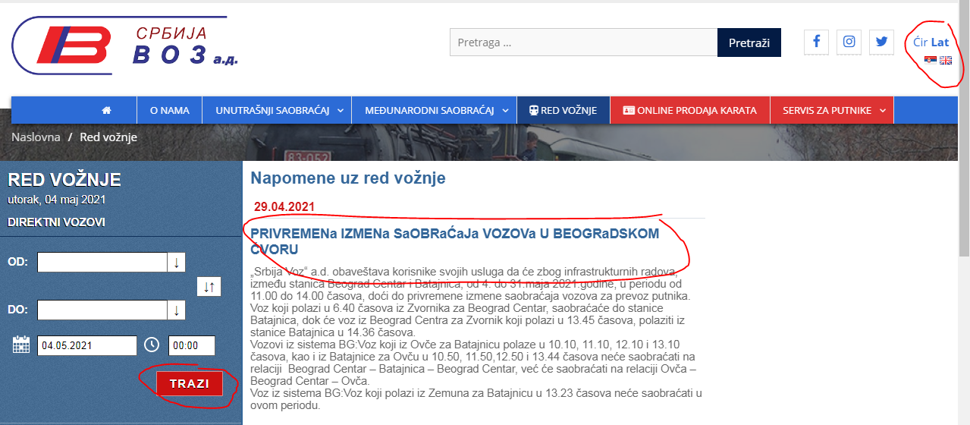

Reporter: | Dragan Batinic

Priority: | Medium

Severity: | Low

Bug3
Bug report ID | Bug3
Summary | All text in sections "RED VOŽNJE" and "Napomene uz red voznje" are not written without spelling and grammatical errors in english language
Description | When user go to URL https://www.srbvoz.rs/red-voznje/ and choose english language in top right corner, by clicking United Kingdom flag, section "RED VOŽNJE" is written in english - "TIMETABLE" without spelling and grammatical erros, but "Napomene uz red vožnje" - "Timetable notes"are written in serbian language

Preconditions: | Open Chrome version 90.0.4430.93 (Official Build) (64-bit)
 | Go to the following URL "https://www.srbvoz.rs/red-voznje/"

Repro Steps | Steps
1 | Click on option United Kingdom`s flag in options in top right corner
2 | Check if sections "RED VOŽNJE" and "Napomene uz red vožnje" are written without spelling and grammatical errors in english language

Actual Result: | Section "RED VOŽNJE" ("TIMETABLE") is written in english without spelling and grammatical erros, but "Napomene uz red vožnje" ("Timetable notes") are written in serbian language

Expected Result: | Sections"RED VOŽNJE" ("TIMETABLE") and "Napomene uz red vožnje" ("Timetable notes") should be written in english without spelling and grammatical erros

Test Case ID: | TC1

Screenshot: | 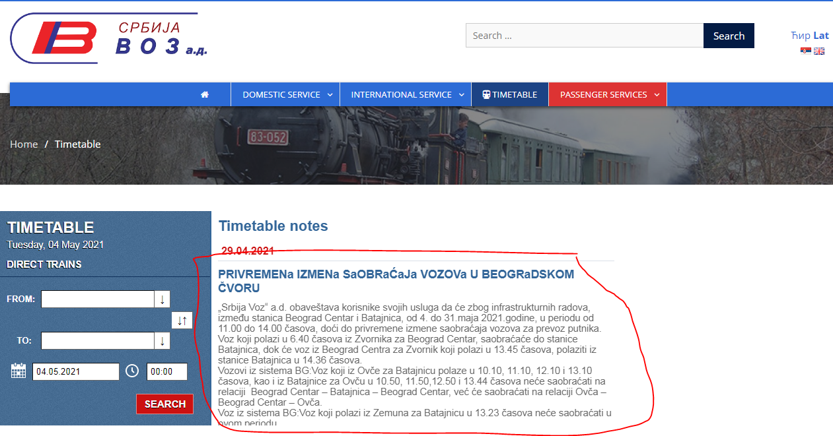

Reporter: | Dragan Batinic

Priority: | Medium

Severity: | Medium

Bug4
Bug report ID | Bug4
Summary | Info cloud doesn`t appeare when user put cursor over fields and buttons
Description | When user go to URL https://www.srbvoz.rs/red-voznje/ and put cursor over fields and buttons, there are no info clouds with informations what is field or button for and what is valid input for them.

Preconditions: | Open Chrome version 90.0.4430.93 (Official Build) (64-bit)
 | Go to the following URL "https://www.srbvoz.rs/red-voznje/"

Repro Steps | Steps | Test Data
1 | Put cursor over buttons and fields in section "RED VOŽNJE" | "OD" dropdown menu arrow
 |  | "DO" dropdown menu arrow
 |  | Double arrow sign
 |  | Calendar field
 |  | Starting time field
 |  | Button "TRAZI"

Test Case ID: | TC2

Screenshot: | 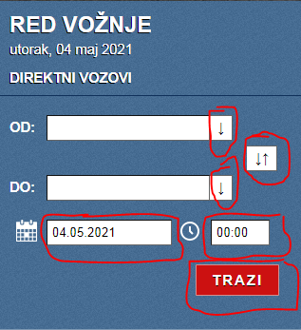

Reporter: | Dragan Batinic

Priority: | Medium

Severity: | Medium

Bug7
Bug report ID | Bug7
Summary | It is possible to choose the same train stations in fields "DO" and "OD"
Description | When user go to URL https://www.srbvoz.rs/red-voznje/ and choose some train station in field "OD", and then click field "DO", the same train station is available for choosing what shouldn`t be possible. Althought no train list and timetable is retrieved in this case, the user is confused and overall user`s experiance is bad

Preconditions: | Open Chrome version 90.0.4430.93 (Official Build) (64-bit)
 | Go to the following URL "https://www.srbvoz.rs/red-voznje/"

Repro Steps | Steps | Test Data
1 | Click "down arrow" buton on "OD" field and choose starting train station | "BEOGRAD CENTAR"
2 | Click "down arrow" buton on "DO" field and choose final train station | "BEOGRAD CENTAR"

Test Case ID: | TC13

Screenshot: | 

Reporter: | Dragan Batinic

Priority: | Medium

Severity: | Low

Bug8
Bug report ID | Bug8
Summary | All text in section "PRODAJA KARATA" is not written without spelling and grammatical errors
Description: | When user go to URL: "https://ekarta.srbvoz.rs/app/#!/home/16052/21009/1/" section "PRODAJA KARATA"is not written without spelling and grammatical errors.

Preconditions: | Open Chrome version 90.0.4430.93 (Official Build) (64-bit)
 | Go to the following URL "https://ekarta.srbvoz.rs/app/#!/home/16052/21009/1/"

Repro Steps | Steps
1 | Check if cyrillic alphabeth is chosen in options in top right corner
2 | Check if all text related with "PRODAJA KARATA" is written without spelling and grammatical errors in cyrillic alphabeth

Actual Result: | In section "Izbor voza": - "Datum putovanja i razred" is placed only over calendar field. - There is no indication which "Datum putovanja i razred" is for return trip. - Over field for number of passangers stands "Broj Putnika". - In table with trainlist and timetable stands "Cena u tabeli je redovna cena karte za 1 putnika u odgovrajućem vozu". In section "Putnici": - Stands "RELACIJA: BEOGRAD CENTAR - VRSAC". - Stands "Datum Rođenja".

Expected Result: | In section "Izbor voza": - "Datum putovanja i razred" should be over both fields calendar and train class. - There is indication which "Datum putovanja i razred" is for return trip. - Over field for number of passangers should stand "Broj putnika" . - In table with trainlist and timetable should stand "Cena u tabeli je redovna cena karte za 1 putnika u odgovarajućem vozu" In section "Putnici": - Should stand "RELACIJA: BEOGRAD CENTAR - VRŠAC", - Should stand "Datum rođenja".

Test Case ID: | TC19

Screenshot: | 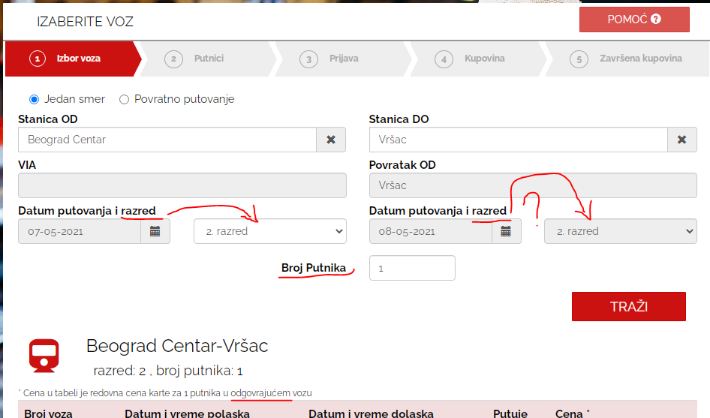

Reporter: | Dragan Batinic

Priority: | Low

Severity: | Low

Bug10
Bug report ID | Bug10
Summary | Same train station can be chosen for both fields "Stanica OD" and "Stanica DO" at the same time
Description: | When user go to URL: "https://ekarta.srbvoz.rs/app/#!/home/16052/21009/1/", user can choose the same train station for both fields "Stanica OD" and "Stanica DO" at the same time

Preconditions: | Open Chrome version 90.0.4430.93 (Official Build) (64-bit)
 | Go to the following URL "https://ekarta.srbvoz.rs/app/#!/home/16052/21009/1/"

Repro Steps | Steps | Test Data
1 | Click "Stanica OD" field and choose starting train station | "BEOGRAD CENTAR"
2 | Click "Stanica DO" field and choose final train station | "BEOGRAD CENTAR"

Actual Result: | User can choose the same train station for both fields "Stanica OD" and "Stanica DO" at the same time

Expected Result: | User can`t choose the same train station for both fields "Stanica OD" and "Stanica DO" at the same time

Test Case ID: | TC27

Screenshot: | 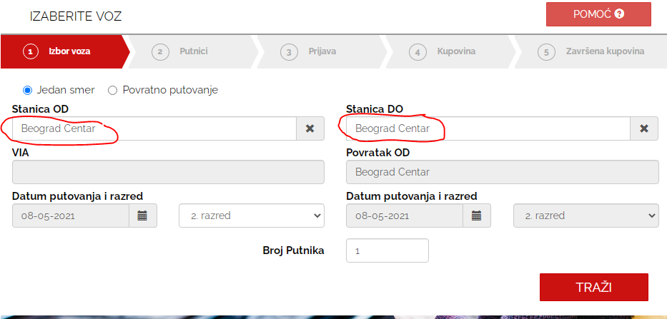

Reporter: | Dragan Batinic

Priority: | Low

Severity: | Low

Bug11
Bug report ID | Bug11
Summary | User can`t proceed with purchase if incorrect input is entered in field "Stanica OD" in section "Izbor voza", but there is no warning message that user entered incorrect input
Description: | When user go to URL: "https://ekarta.srbvoz.rs/app/#!/home/16052/21009/1/", user can`t proceed with purchase if incorrect input is entered from keyboard in field "Stanica OD" in section "Izbor voza", but "TRAŽI" button is available for clicking and user can click it. No train list is showing but user can be confused whether it is incorrect input, or simply there are no trains for that relation being there is no warning message.

Preconditions: | Open Chrome version 90.0.4430.93 (Official Build) (64-bit)
 | Go to the following URL "https://ekarta.srbvoz.rs/app/#!/home/16052/21009/1/"

Repro Steps | Steps | Test Data
1 | Click "Stanica OD" and enter incorrect input from keyboard | "Prokuplje"
2 | Click "Stanica DO" and select train station | "Vršac"
3 | Click button "TRAŽI"

Actual Result: | User can`t proceed with purchase if incorrect input is entered from keyboard in field "Stanica OD" in section "Izbor voza", but "TRAŽI" button is available for clicking and user can click it.

Expected Result: | User can`t proceed with purchase if incorrect input is entered from keyboard in field "Stanica OD" in section "Izbor voza" and "TRAŽI" button isn`t available for clicking and user can click it.

Test Case ID: | TC29

Screenshot: | 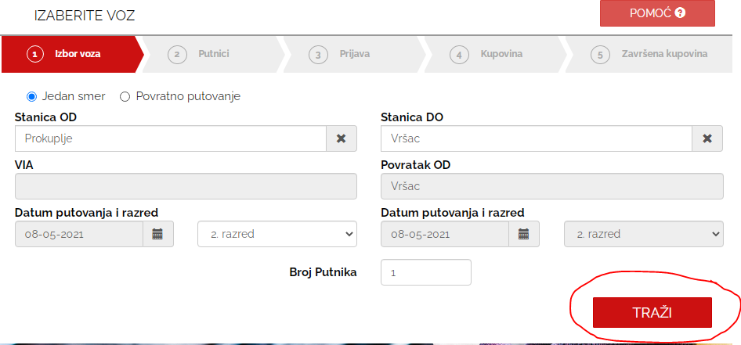

Reporter: | Dragan Batinic

Priority: | Low

Severity: | Low

Bug12
Bug report ID | Bug12
Summary | User can`t proceed with purchase if incorrect input is entered in field "Stanica DO" in section "Izbor voza", but there is no warning message that user entered incorrect input
Description: | When user go to URL: "https://ekarta.srbvoz.rs/app/#!/home/16052/21009/1/", user can`t proceed with purchase if incorrect input is entered from keyboard in field "Stanica DO" in section "Izbor voza", but "TRAŽI" button is available for clicking and user can click it. No train list is showing but user can be confused whether it is incorrect input, or simply there are no trains for that relation being there is no warning message.

Preconditions: | Open Chrome version 90.0.4430.93 (Official Build) (64-bit)
 | Go to the following URL "https://ekarta.srbvoz.rs/app/#!/home/16052/21009/1/"

Repro Steps | Steps | Test Data
1 | Click "Stanica OD" and enter incorrect input from keyboard | "Vršac"
2 | Click "Stanica DO" and select train station | "Prokuplje"
3 | Click button "TRAŽI"

Actual Result: | User can`t proceed with purchase if incorrect input is entered from keyboard in field "Stanica DO" in section "Izbor voza", but "TRAŽI" button is available for clicking and user can click it.

Expected Result: | User can`t proceed with purchase if incorrect input is entered from keyboard in field "Stanica DO" in section "Izbor voza" and "TRAŽI" button isn`t available for clicking and user can click it.

Test Case ID: | TC30

Screenshot: | 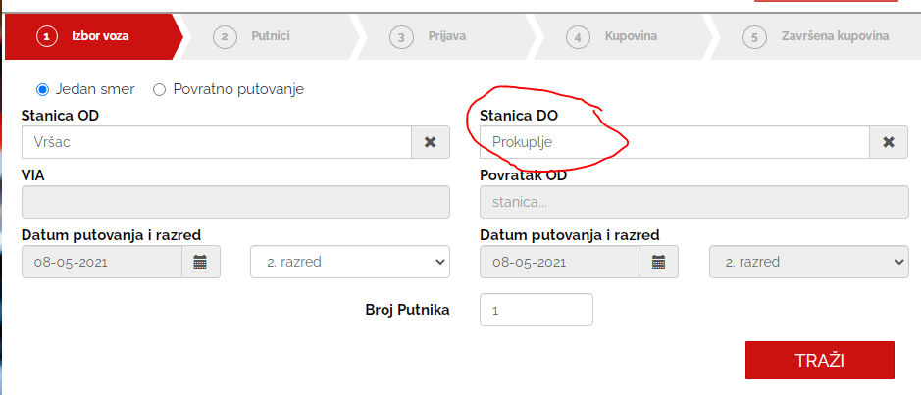

Reporter: | Dragan Batinic

Priority: | Low

Severity: | Low

Bug13
Bug report ID | Bug13
Summary | User can proceed with purchase if incorrect "ID povlastice" is entered in field "Povlastica" in section "Putnici"
Description: | When user go to URL: "https://ekarta.srbvoz.rs/app/#!/home/16052/21009/1/", and completely fill the form in section "Izbor voza" and proceed to section "Putnici" user can proceed with purchase if incorrect "ID povlastice" is entered in field "Povlastica" in section "Putnici", although there is a sign that "ID povlastice" is incorrect. Button "DALJE" is available for clicking and by clicking it, page switch to section "Prijava".

Preconditions: | Open Chrome version 90.0.4430.93 (Official Build) (64-bit)
 | Go to the following URL "https://ekarta.srbvoz.rs/app/#!/home/16052/21009/1/"
 | User completely and successfully filled the form in section "Izbor voza" and proceeded to section "Putnici"

Repro Steps | Steps | Test Data
1 | Click on field "REDOVNA CENA" and select option from dropdown menu | "SRB+PLUS K-13"
2 | Click on field "Povlastica" and enter incorrect "ID povlastice" | "1234567"
3 | Click on field "Ime i prezime" and enter correct name and surname | "Petar Petrovic"
4 | From dropdown menus in "Datum Rodjenja" select correct date of birth | "1 Jan 2000."
5 | Click button "DALJE"

Actual Result: | User can proceed with purchase if incorrect "ID povlastice" is entered in field "Povlastica" in section "Putnici", although there is a sign that "ID povlastice" is incorrect. Button "DALJE" is available for clicking and by clicking it, page switch to section "Prijava".

Expected Result: | User can`t proceed with purchase if incorrect "ID povlastice" is entered in field "Povlastica" in section "Putnici", although there is a sign that "ID povlastice" is incorrect. Button "DALJE" is unavailable for clicking.

Test Case ID: | TC33

Screenshot: | 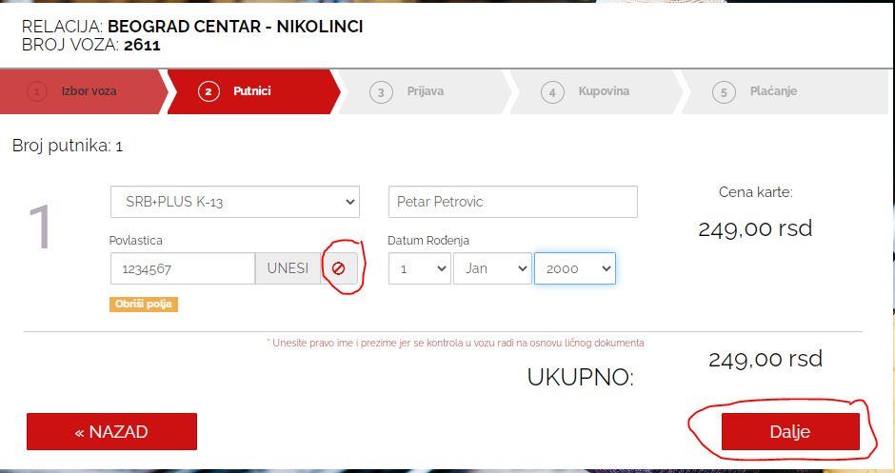

Reporter: | Dragan Batinic

Priority: | Medium

Severity: | Medium

Bug14
Bug report ID | Bug14
Summary | User can proceed with purchase if invalid input is entered in field "Ime i prezime" in section "Putnici"
Description: | When user go to URL: "https://ekarta.srbvoz.rs/app/#!/home/16052/21009/1/", and completely fill the form in section "Izbor voza" and proceed to section "Putnici", user can proceed with purchase if invalid input is entered in field "Ime i prezime". Button "DALJE" is available for clicking and by clicking it, page switch to section "Prijava".

Preconditions: | Open Chrome version 90.0.4430.93 (Official Build) (64-bit)
 | Go to the following URL "https://ekarta.srbvoz.rs/app/#!/home/16052/21009/1/"
 | User completely and successfully filled the form in section "Izbor voza" and proceeded to section "Putnici"

Repro Steps | Steps | Test Data
1 | Click on field "Ime i prezime" and enter invalid input | "1234567"
2 | From dropdown menus in "Datum Rodjenja" select correct date of birth | "1 Jan 2000."
3 | Click button "DALJE"

Actual Result: | User can proceed with purchase if invalid input is entered in field "Ime i prezime" in section "Putnici". Button "DALJE" is available for clicking and by clicking it, page switch to section "Prijava".

Expected Result: | User can`t proceed with purchase if invalid input is entered in field "Ime i prezime" in section "Putnici. Button "DALJE" is unavailable for clicking.

Test Case ID: | TC34

Screenshot: | 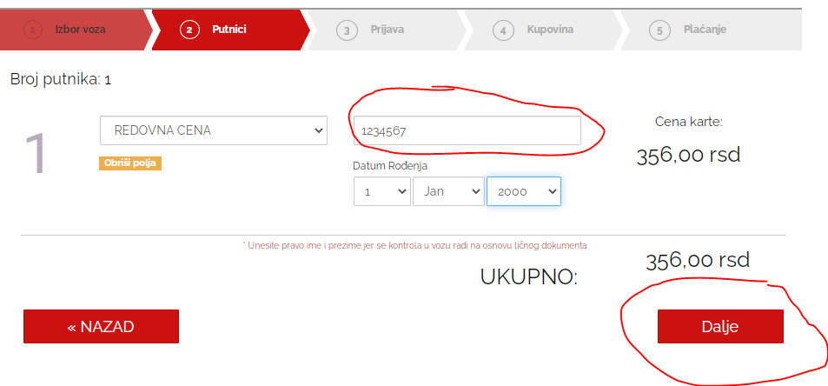

Reporter: | Dragan Batinic

Priority: | Medium

Severity: | Medium

